Sam Sort
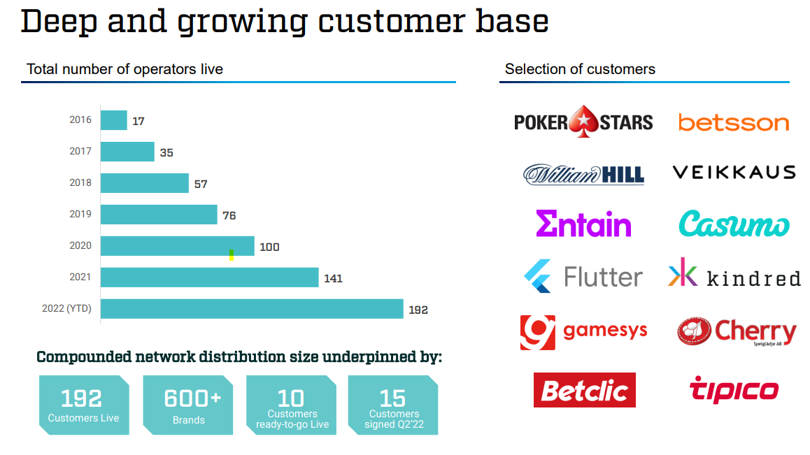
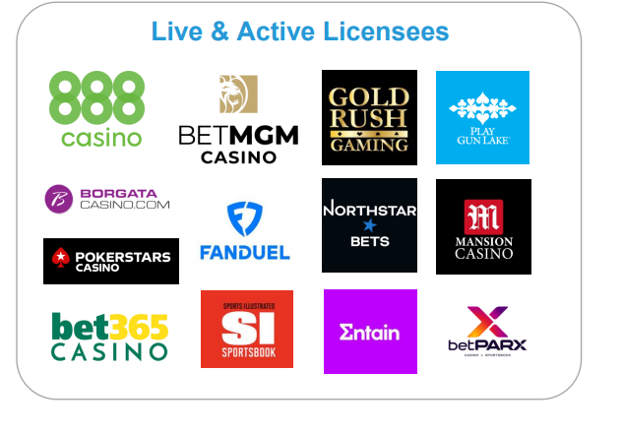
Sort |  | Gan
Evolution | MGM | GiG | Add to news | https://earningsandmore.substack.com/p/fanduel-on-top-for-a-reason?utm_source=post-email-title&publication_id=333777&post_id=85100856&isFreemail=true&utm_medium=email
Ballys | Caesars | Galaxy Gaming |  | https://gamingnewscanada.substack.com/p/thoughts-from-discovery-2022-and-a8f?utm_source=post-email-title&publication_id=285706&post_id=85131490&isFreemail=true&utm_medium=email
Penn | Sands | Playmaker |  | https://etfdb.com/esg-investing/social-issues/gambling/
Endeavor | Wynn
Churchill Downs | Golden Entertainment
Bet at homg AG | VICI
NeoGames | Red Rock
IGT | Gaming & Leisure Properties
Zeal Network
Lottomatica
Boyd Gaming
Bragg

Accel
Codere Online
gambling.com

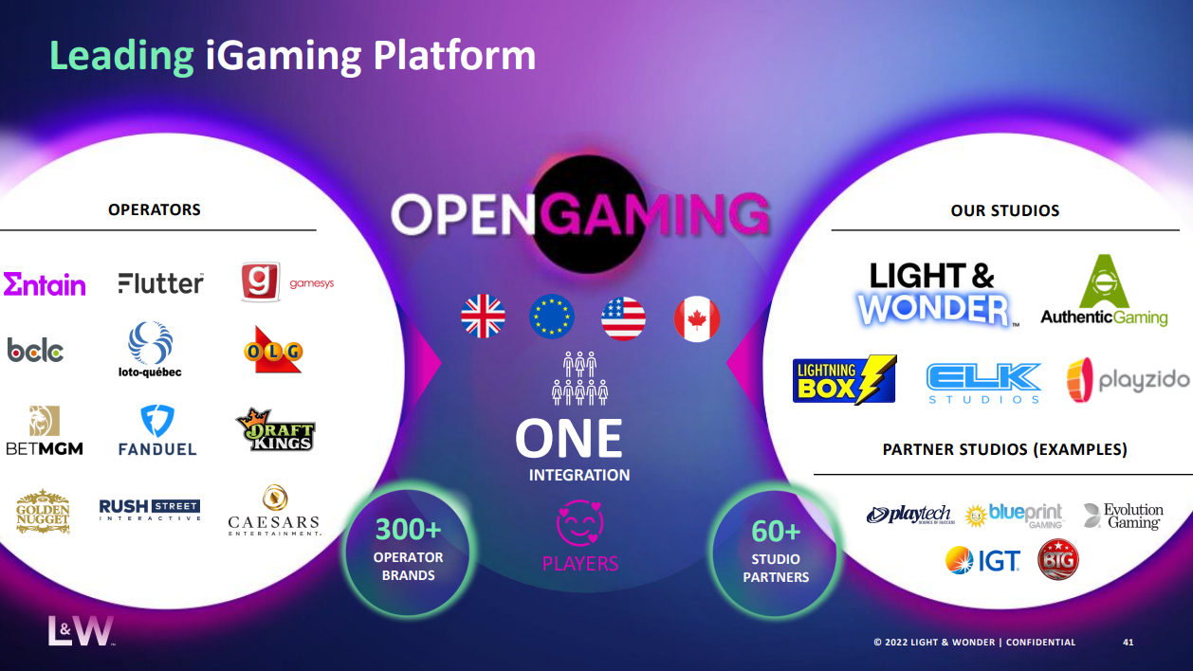
Playmaker capital
inspired essential entertainment
XLMedia
FansUnite
Century Casinos
EveryMatrix
Nexon
NCSoft
CyberAgent Inc
Yoozoo
Gunho Online Entertainment
Rank Group PLC

Snips Used
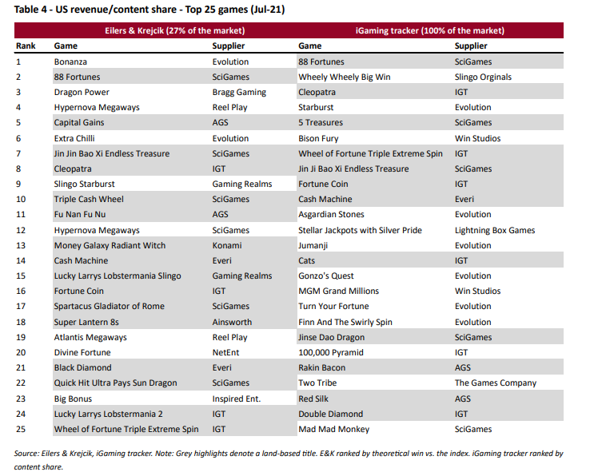
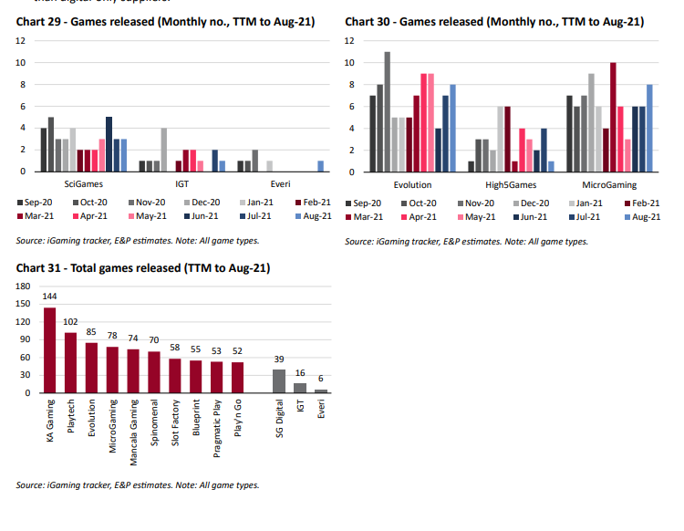

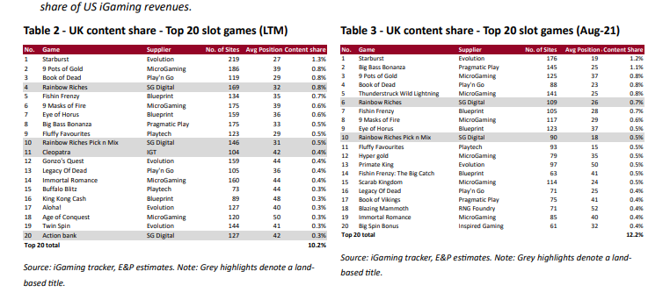

Rival Comps
